Sheet1
Style | Style Name | Color | Size | CASEPACK | UPC Codes | Inventory Available | MSRP | MSRP Value | Images
30194 | AVILA | Navy/White | STD | 20 | 664181087498 | 398 | $56.00 | $22,288.00
30192 | AVILA | Red/White | STD | 20 | 664181087474 | 446 | $56.00 | $24,976.00
30195 | AVILA | Neon Pink/White | STD | 20 | 664181087504 | 463 | $56.00 | $25,928.00
30193 | AVILA | Royal/White | STD | 20 | 664181087481 | 453 | $56.00 | $25,368.00
30186 | CAMBRIA | Black/White | STD | 20 | 664181087382 | 224 | $56.00 | $12,544.00
30189 | CAMBRIA | Navy/White | STD | 20 | 664181087412 | 288 | $56.00 | $16,128.00
30190 | CAMBRIA | Neon Pink/White | STD | 20 | 664181087429 | 274 | $56.00 | $15,344.00
30187 | CAMBRIA | Red/White | STD | 20 | 664181087399 | 300 | $56.00 | $16,800.00
30188 | CAMBRIA | Royal/White | STD | 20 | 664181087405 | 306 | $56.00 | $17,136.00
30141 | SOLANO | Black | STD | 20 | 664181045818 | 5020 | $45.00 | $225,900.00
30143 | SOLANO | Red | STD | 20 | 664181045832 | 880 | $45.00 | $39,600.00
30142 | SOLANO | Royal | STD | 20 | 664181045825 | 2334 | $45.00 | $105,030.00
30184 | SOLANO | Neon Pink | STD | 20 | 664181055275 | 1947 | $45.00 | $87,615.00
30185 | SOLANO | Neon Yellow | STD | 20 | 664181055282 | 1137 | $45.00 | $51,165.00
30042 | TITAN | Black | STD | 20 | 664181077499 | 852 | $49.00 | $41,748.00
30044 | TITAN | Navy | STD | 20 | 664181077512 | 752 | $49.00 | $36,848.00
30045 | TITAN | Red | STD | 20 | 664181077529 | 583 | $49.00 | $28,567.00
Total |  |  |  |  |  | 16,657 |  | $792,985.00

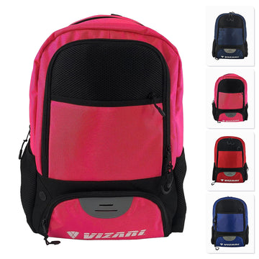
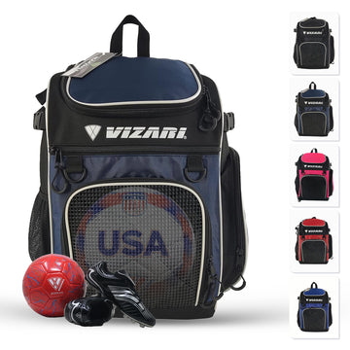
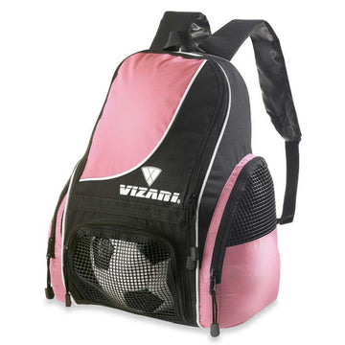
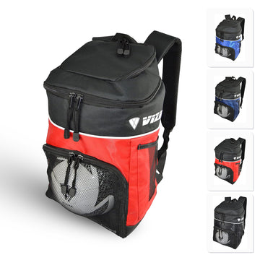

 |  | AVILA BACKPACK |  |  |  |  |  |  | SOLANO BACKPACK | TITAN BACKPACK

